Sheet1
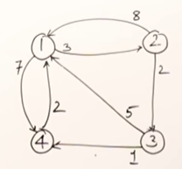
Warshall's Algorithm to find path matrix of a Graph

 |  |  |  | A
 |  | 2
 | 1 | 3
 |  | 4

 | 2 | 1
 |  | 3
 |  | 4 |  |  |  |  |  |  |  | Warshall's Algorithm to find path matrix of a graph
 |  | 1
 | 3 | 2 |  |  |  |  |  |  |  |  |  |  | 1 | 2 | 3 | 4
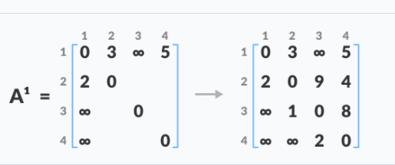
 |  | 4 |  |  |  |  |  |  |  |  | A0= | 1 | 0 | 3 | & | 5 |  | & - if one node to another node not direct path
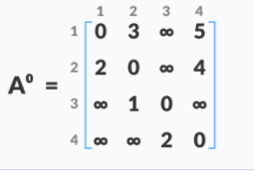
 |  | 1 |  |  |  |  |  |  |  |  |  | 2 | 2 | 0 | & | 4 |  |  | 1 | 2 | 3 | 4
 | 4 | 2 |  |  |  |  |  |  |  |  |  | 3 | & | 1 | 0 | & |  | 1 | 0 | 3 | 7 | 5
 |  | 3 |  |  |  | 1 | 2 | 3 | 4 |  |  | 4 | & | & | 2 | 0 | A4 | 2 | 2 | 0 | 6 | 4
 |  |  |  |  | 1 | 0 | 3 | & | 5 |  |  |  |  |  |  |  |  | 3 | 3 | 1 | 0 | 5
 |  | A1 =[2,3] | A[2,4] + A[4,3] |  | 2 | 2 | 0 | 6 | 4 |  |  |  | 1 | 2 | 3 | 4 |  | 4 | 5 | 3 | 2 | 0
 |  | & | 4 + 2=6 | A1= | 3 | & | 1 | 0 | 5 |  | A1 | 1 | 0 | 3 | & | 5
 |  | A[3,4} | A[3,2} + A{2,4] |  | 4 | & | 3 | 2 | 0 |  |  | 2 | 2 | 0 | 9 | 4
 |  | & | 1 + 4=5 |  |  |  |  |  |  |  |  | 3 | & | 1 | 0 | 8
 |  | A[4,2] | A[4,3] +A[3,2} |  |  | 1 | 2 | 3 | 4 |  |  | 4 | & | 3 | 2 | 0
 |  | & | 2 + 1
 |  |  |  | A2 | 1 | 0 | 3 | 7 | 5 |  |  |  | 1 | 2 | 3 | 4
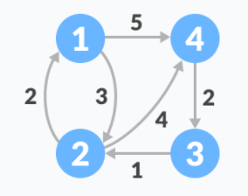
 | A[1,3] | A[1,2]+A[2,4]+A[4,3] |  |  | 2 | 2 | 0 | 6 | 4 |  | A2 | 1 | 0 | 3 | 7 | 5 |  | A[1,3] = A[1,4]+A[4,3]=5+2=7
 | & | 3+4+2=9 |  |  | 3 | 3 | 1 | 0 | 5 |  |  | 2 | 2 | 0 | 9 | 4 |  | A[3,1]=A[3,2]+A[2,1]=1+2=3
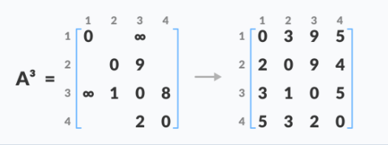
 |  | A[1,4]+A[4,3] |  |  | 4 | 5 | 3 | 2 | 0 |  |  | 3 | 3 | 1 | 0 | 5 |  | A[3,4]=A[3,2]+A[2,4]=1+4=5
 |  | 5+2=7 |  |  |  |  |  |  |  |  |  | 4 | 5 | 3 | 2 | 0 |  | A[,1]=A[4,3]+A[3,2]+A[2,1]=5

 |  |  |  |  |  |  |  |  |  |  |  |  | 1 | 2 | 3 | 4
 |  |  |  |  |  | 1 | 2 | 3 | 4 |  | A3 | 1 | 0 | 3 | 7 | 5
 |  |  |  |  |  |  |  |  |  |  |  | 2 | 2 | 0 | 9 | 4
 |  |  |  |  | 1 | 0 | 3 | 7 | 5 |  |  | 3 | 3 | 1 | 0 | 5
 |  |  |  | A3 | 2 | 2 | 0 | 6 | 4 |  |  | 4 | 5 | 3 | 2 | 0
 |  |  |  |  | 3 | 3 | 1 | 0 | 5
 |  |  |  |  | 4 | 5 | 3 | 2 | 0

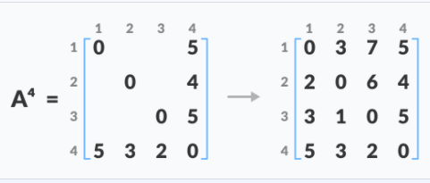
 |  |  |  |  |  | 1 | 2 | 3 | 4

 |  |  |  |  | 1 | 0 | 3 | 7 | 5
 |  |  |  | A4 | 2 | 2 | 0 | 6 | 4
 |  |  |  |  | 3 | 3 | 1 | 0 | 5
 |  |  |  |  | 4 | 5 | 3 | 2 | 0

